RAO needed adjustments
must include in the Fund Source the CARP | SAA15-CARP-706-GOP | 5010000000
all charges to this fund other than the basic salary must be adjusted to be charged to this allotment
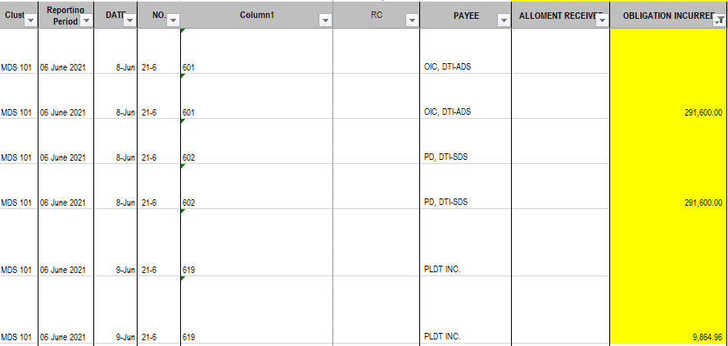

Include Allotment Number in the Fund Source

